Design
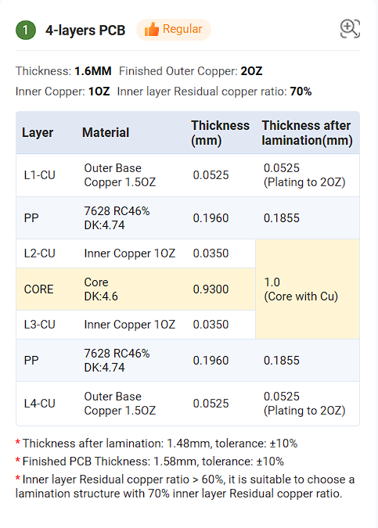
Input voltage |  |  |  |  |  |  | Pin configuration

 |  |  |  |  |  |  | RT | Freq set | Connected to VCC of IC for 400KHz
For li-ion 6 cellls |  |  |  |  |  |  | EN | Output enable | Connected to VIN |  | No input UVLO
4.2*6 | 25.2V |  |  |  |  |  | RESET | Open drain output | Active low |  | Pulled-up to Vout 16V |  |  | Abs max | 20V
3.7*6 | 22.2V |  |  |  |  |  | SPSP | Spread spectrum | Connected through a resistor to GND |  |  |  | Reduce the output voltage ripple caused by the Fre Modu
3*6 | 18V |  |  |  |  |  |  |  | R = 11.81K
2.8*6 | 16.8V
 |  |  |  |  |  |  | SYNC/MODE | Operating mode select |  | Connected to GND for PFM |  |  | Switches to PFM at light loads
 |  |  |  |  |  |  | BIAS | Input to internal Voltage regulator |  |  | Connected to GND |  |  | It takes power from VIN |  |  | Block diagram
Switching frequency |  |  |  |  |  |  | RBOOT | Used to adjust the SW node rise time |  |  | Connected to CBOOT through a 0ohm resistor |  |  |  |  | For maximum rise time

400KHz |  | Low switching losses |  |  |  |  | FB | Vout feed back |  | Vout = 16.04 |  | Rfbt =6.65K
 |  | Higher efficiency
 |  | Low power dissipate

Inductor selection

Inductance |  | 3.6uH
Ripple current |  | 2.9A |  | 30% of max load current
DC current |  | 10-12A
Saturation current |  | 13-15A

7447709003 |  | FIXED IND 3.5UH 11A 9 MOHM SMD |  |  | $2.57
ASPIAIG-F1265-4R7M-T |  | FIXED IND 4.7UH 13.5A 8.4MOHM SM |  |  | $2.41

Trace width calculations

For 1 OZ inner layers |  |  |  |  |  |  |  | For 2 OZ outer layers
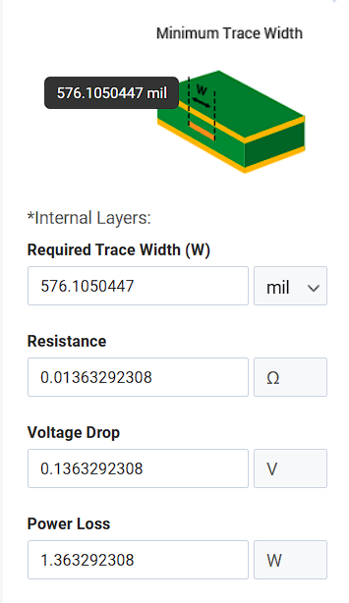
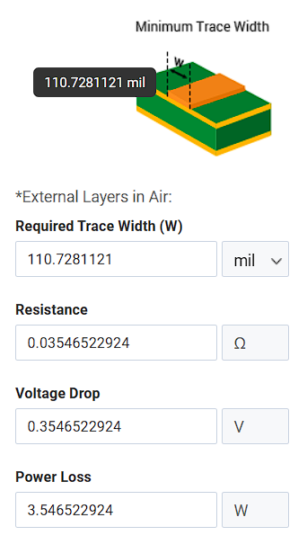
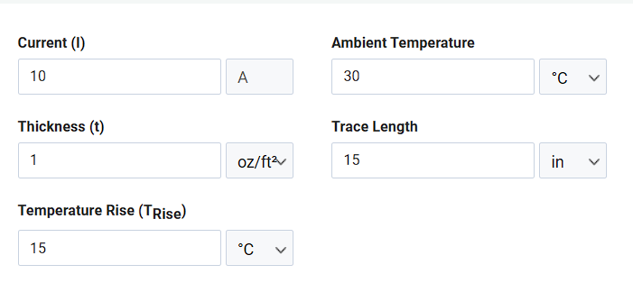
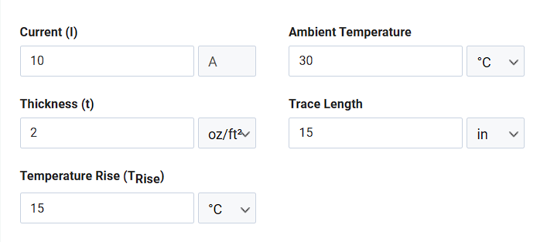

Via current carring capacity |  | Calculator

IPC class 2 via plating thickness |  | 0.02mm / 0.78mils

Edge plating reference

Link

Top and bottom ground pour |  | pull out 20mils from board edge

Inner ground and power layers |  | pull in 25 mils from board edge

MOSFET power dissipation calculation |  |  | BSZ034N04LSATMA1

Mosfet conduction loss |  |  |  |  | Temperature rise

Rdson, max = 3.4m ohm
I max = 10A
Power loss = 0.34W

 |  |  |  |  |  | Ambient temperature = 30 °C

 |  |  |  |  |  | Junction temperature = 50.4 °C

Layer stack

